UMLs
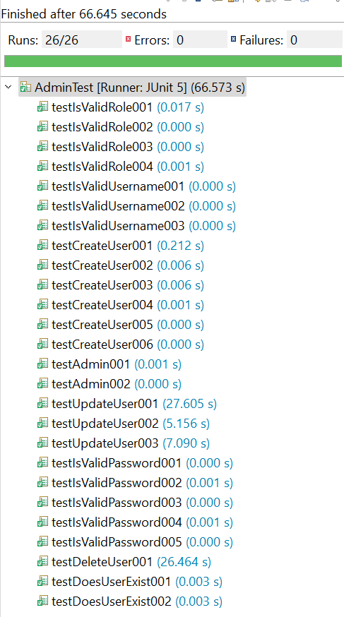
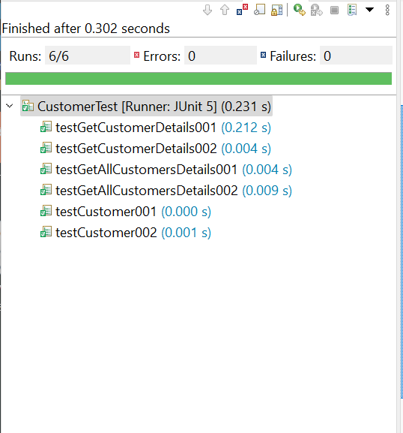
Newsagent | Admin | Customer | User | Database | Options
- newsagentID : int | - adminID : int | - custID : int | - userID : int | - DB_DRIVER : String | + Connection : static
- username : String | - username : String | - firstName : String | - username : String | - JDBC_URL : String | - Scanner : static
- password : String | - password : String | - lastName : String | - password : String | - USERNAME : String
- role : String | - role : String | - address : String | - role : String | - PASSWORD : String | + Options()
 |  | - phoneNo : String |  |  | + loginScreen() : static void
+Newsagent() | +Admin() | +Customer() | +User() |  | - adminOptions() : void
+Newsagent : (username: String, password: String, role: String) | +Admin : (username: String, password: String, role: String) | +Customer(firstName: String, lastName: String, custAddress: String, phoneNo: String) | +User: (username: String, password: String, role: String) | + Connection getConnection() | - newsagentOptions() : void
 |  |  |  |  | - driverOptions() : void
+createCustomer(firstName: String, lastName: String, address: String, phoneNo: String) | + createUserAccount(username: String, password: String, role: String): void | +getCustomer(int id) : String | + getUser(int id): void |  | - logOut() : void
 |  | +getAllCustomers() : String | +getAllUsers() : void | DONE | - authenticateUsername (String uesrname): boolean static
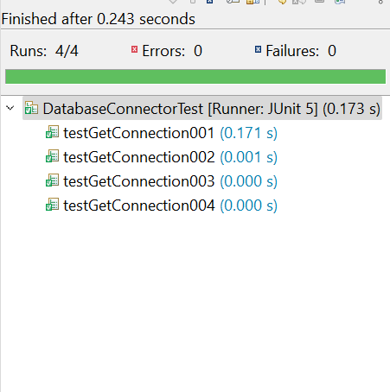
+updateCustomer (int id) | + updateUser(int id): void | +getCustomerOrder(int id) : String | +getUsername() : void
+getCustomer(int id) : String | + deleteUser(int id): void |  | +getPassword() : void |  | - authenticatePassword(String username, String password) : boolean static
+deactivateCustomer(int id) : void | + getUser(int id): void | +getCustID() : void | +getRole() : void
 |  | +getFirstName() : void | +setUsername() : String |  | - User getUser(String username, String password, String role) : static
+isValidName(String firstName) : boolean | + isValidUsername(String username) : boolean | +getLastName() : void | +setPassword() : String
+isValidAddress(String address) : boolean | +isValidPassword(String password) : boolean | +getCustAddress() : void | +serRole() : String
+isValidPhoneNo(String phoneNo) : boolean | +isValidRole(String role) : boolean | +getPhoneNo() : void | DONE |  | DONE
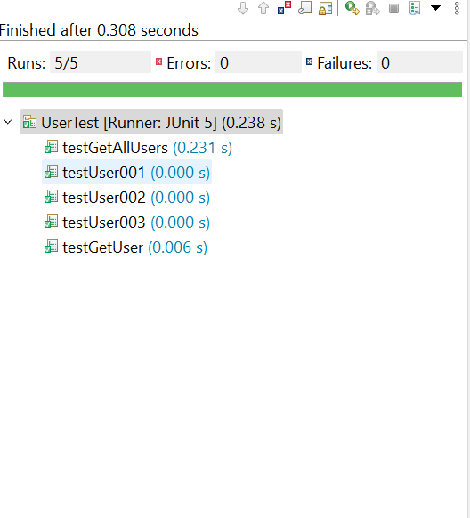
+isValidUpdate(String updateColumn, String newValue) : boolean | +isValidUpdate(String updateColumn, String newValue) : boolean | +setCustID() : int
 |  | +setFirstName() : String
+doesCustomerExist(int id) : boolean | +doesUserExist(int id) : boolean | +setLastName() : String
 |  | +setCustAddress() : String
DONE | DONE | +setPhoneNo() : String
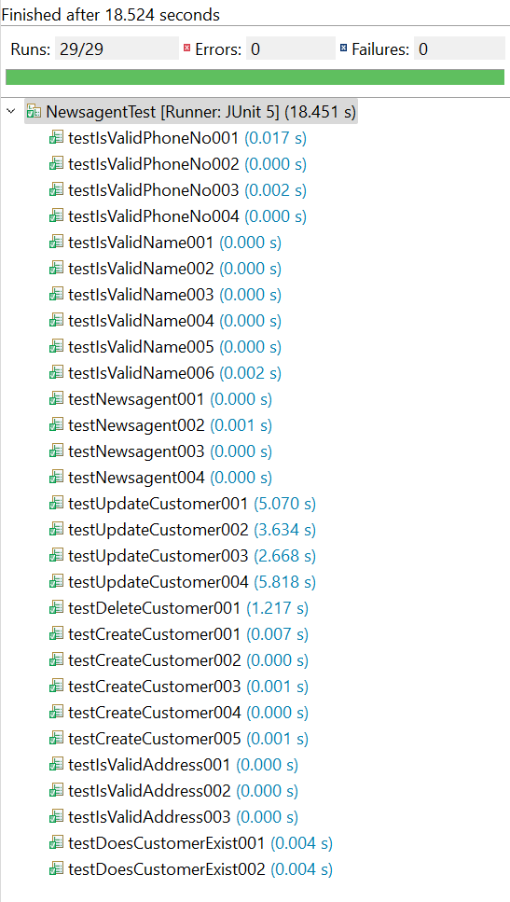
 |  | DONE

